Fixed Coverage
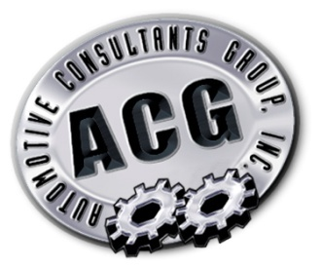

 |  | Got Service Absorption?

Dealership:

 | Yellow Boxes For Data Entry
Total Fixed Operations Gross Profit

1. Total Service Operations Gross Profit |  |  | $370,000

2. Total Parts Operations Gross Profit |  |  | $350,000

3. Total Body Shop Operations Gross Profit |  |  | $250,000

Total Fixed Operations Gross Profit |  |  | 970,000

Total Dealership Fixed Expenses |  |  | $1,900,000

Total Dealership Unabsorbed Expenses |  |  | $930,000

Service Absorption Percentage |  |  | 51%

Total New & Used Vechicle Sales |  |  | 350

Total Gross Profit per Vehicle |  |  | $2,500

Number of Vehicles Sold to Break Even |  |  | 372

Additional Vehicles needed to break even |  |  | 22

